WACC
Eicher Motors Ltd.
Weighted Average Cost of Capital

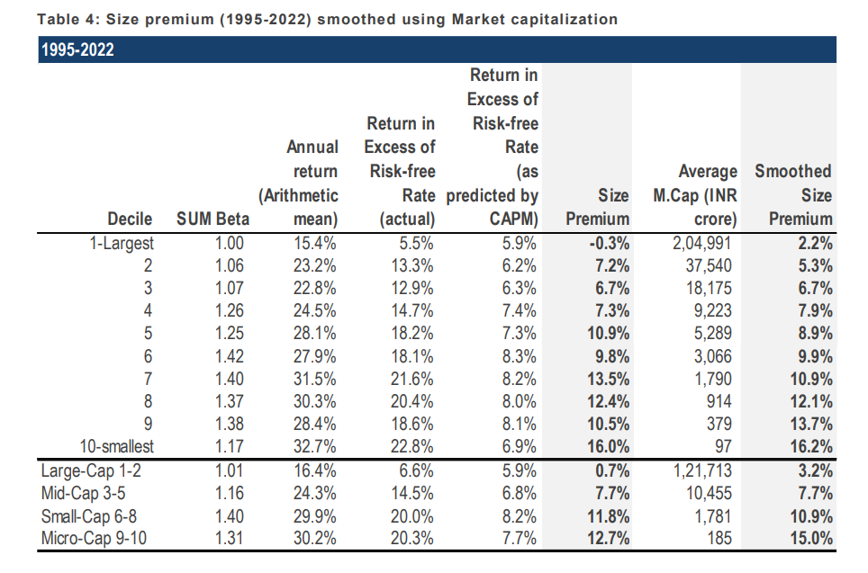
Particulars | Low | Mid | High |  | Risk Free Rate
 |  |  |  |  | We have considered 4.26% as the risk free rate in estimating the cost of equity of 7.04%. The risk free rate of India is calculated by considering local currency 10 years government bond yield adjusted for default spread of India.
Risk Free Rate | 4.26% | 4.26% | 4.26%
Equity Risk Premium | 6.10% | 6.10% | 6.10%
Asset Beta | 0.40 | 0.45 | 0.50
D/E Ratio | 1.22% | 1.22% | 1.22% |  | Asset Beta
Equity Beta | 0.40 | 0.46 | 0.51 |  | We have estimated an asset beta range of 40.00% to 50.00%, with a mid point of 45.00% based on observed median of 5 year monthly asset beta of benchmark listed companies adjusted for blume effect.
CAPM Cost of Equity | 6.72% | 7.04% | 7.35%

Small Size Premium | 2.20% | 2.20% | 2.20%
Asset Specific Premium | 0.00% | 0.00% | 0.00% |  | Equity Risk Premium (ERP)
Modified Cost of Equity | 8.92% | 9.24% | 9.55% |  | An ERP of 6.10% has been adopted based on US implied Equity Risk Premium, Relative Equity Volatility of ICE BoFA Public Sector Issuers Emerging Market Index, S&P Emerging Market BMI Index and Country risk premium of India.

Pre Tax Cost of Debt | 6.87% | 6.87% | 6.87%
Marginal Tax Rate | 25.00% | 25.00% | 25.00%
Post Tax Cost of Debt | 5.15% | 5.15% | 5.15% |  | Cost of Debt
 |  |  |  |  | For the purpose of assessing the cost of debt, we have used the country's risk free rate, country's default spread and Corporate Default Spread (CDS). And CDS based on company's debt rating and Interest Coverage Ratio.
Capital Gearing (D/D+E) | 1.20% | 1.20% | 1.20%
Weighted Average Cost of Capital | 8.88% | 9.19% | 9.49%
Weighted Average Cost of Capital (Rounded) | 9.00% | 10.00% | 10.00%
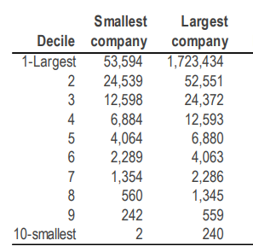
 |  |  |  |  | Small Size Premium
1. Tax Rate considered as Marginal Tax Rate of India |  |  |  |  | Emperically small sized assets have exceeded the returns as compared to large sized assets. We have used the study on size premium conducted by incwert which is based on difference between actual returns & CAPM expected returns range in decile basis market capitalization of Indian companies.
2. Asset Beta is considered as median of 5 years beta of Comps adjusted for blume effect.
3. Equity Beta = Asset Beta * (1+(1-Tax Rate %)*(Debt/Equity))

Eicher Motors Ltd.
Beta Analysis 5 Years Monthly |  |  |  |  | 5 Yrs Avg D/E | Equity Beta | 5 Yrs Avg D/D+E
 |  |  |  |  | 6.50% | 0.77 | 5.20%
Comparable Company | Ticker | No. of Monthly Observations | Market Cap | Asset Beta | 34% | -0.04 | 76.50%
Bajaj Auto Ltd | NSE: BAJAJ-AUTO | 60 | 229,842 | 0.73 | 2.28% | 0.71 | 2.30%
TVS Motor Co. | NSE: TVSMOTOR | 60 | 143184.57 | -0.03 | 331.00% | 1.30 | 71.30%
Hero Motocorp | NSE: HEROMOTOCO | 60 | 93229.66 | 0.70 | 83.00% | 0.33 | 56.80%
Harley-Davidson | NYSE: HOG | 60 | 24,400.00 | 0.37 | 72.00% | 0.79 | 42.00%
Honda Motor Co. | TYO: 7267 | 60 | 41,500.00 | 0.20
Yamaha Motor Co. | TYO: 7272 | 60 | 52,000.00 | 0.51

Marginal Tax Rate | 25% |  |  |  | 53.00% | 0.74 | 0.49
 |  |  |  |  | 88.13% | 0.64 | 0.42
Median |  |  |  | 0.44
Average |  |  |  | 0.42

Blume Beta Analysis 2 Years Weekly | 2/3 to Co. Beta and 1/3 to Market Beta |  |  |  | 5 Yrs Avg D/E | Equity Beta | 5 Yrs Avg D/D+E
 |  |  |  |  | 6.50% | 0.85 | 5.20%
Comparable Company | Ticker | No. of Monthly Observations | Market Cap | Asset Beta | 34% | 0.31 | 76.50%
Bajaj Auto Ltd | NSE: BAJAJ-AUTO | 60 | 229,842 | 0.81 | 2.28% | 0.81 | 2.30%
TVS Motor Co. | NSE: TVSMOTOR | 60 | 143184.57 | 0.24 | 331.00% | 1.20 | 71.30%
Hero Motocorp | NSE: HEROMOTOCO | 60 | 93229.66 | 0.79 | 83.00% | 0.55 | 56.80%
Harley-Davidson | NYSE: HOG | 60 | 24,400.00 | 0.34 | 72.00% | 0.86 | 42.00%
Honda Motor Co. | TYO: 7267 | 60 | 41,500.00 | 0.34
Yamaha Motor Co. | TYO: 7272 | 60 | 52,000.00 | 0.56

Marginal Tax Rate | 25.17% |  |  |  | 53.00% | 0.83 | 0.49
 |  |  |  |  | 88.13% | 0.76 | 0.42
Median |  |  |  | 0.45
Average |  |  |  | 0.51

We are taking 0.45 as Asset Beta of Motor Vehicle Companies

Assumptions
# | Revenue Growth

 | Company Historical Growth
 |  |  |  |  |  |  |  |  |  |  |  | CAGR Growth
 | Particulars | FY2016 | FY2017 | FY2018 | FY2019 | FY2020 | FY2021 | FY2022 | FY2023 | FY2024 |  | 3 Years | 5 Years | 7 Years
 | Revenue From Operations | 6,173 | 7,033 | 8,965 | 9,797 | 9,154 | 8,720 | 10,298 | 14,442 | 16,536 |  | 23.78% | 11.04% | 12.99%
 | Sales Growth |  | 13.93% | 27.47% | 9.28% | -6.56% | -4.74% | 18.10% | 40.24% | 14.50%

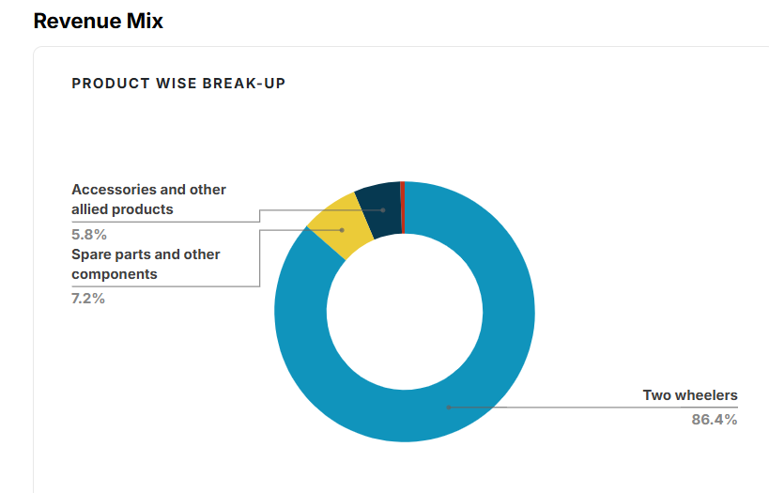
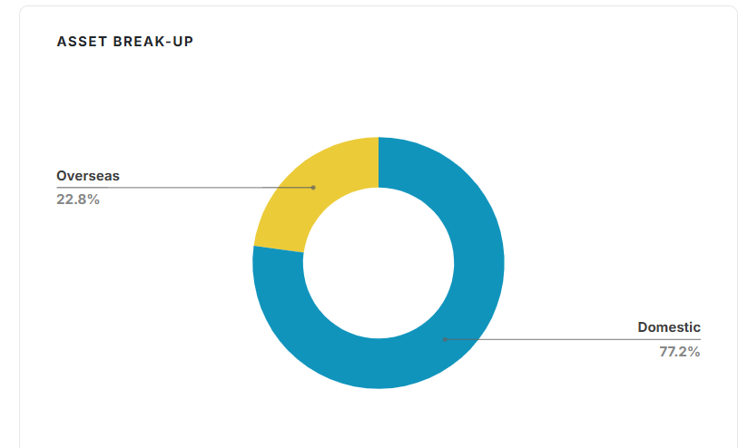
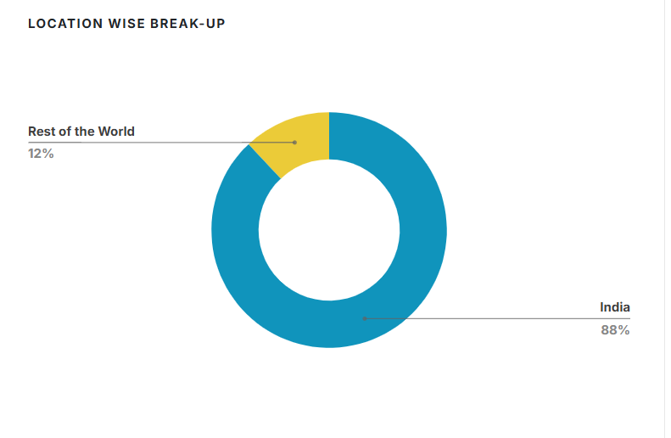
 | Consensus Estimate - Eicher
 | Author | Date | Growth Rate
 | ICICI | May-25 | 11.41%
 | Geojit BNP Paribas | Mar-25 | 12.00%
 | BP Wealth | Feb-25 | 13.20%
 | Emkay | Feb-25 | 11.91%
 | Prabhudas Lilladhar | Feb-25 | 12.89%
 | Axis Securities | May-25 | 8.40%
 | Simplywall.st | - | 8.50%
 | Motilal Oswal | May-25 | 11.97%
 | HSIE | May-25 | 13.41%
 | Kotak | May-25 | 10.24%

 | Median Growth Rate | 11.94%
 | Source - Trendlyne.com

 | Market Research Future | Source: | https://www.marketresearchfuture.com/reports/india-two-wheeler-market-21400
 | a CAGR (growth rate) is expected to be around 3.50% during the forecast period (2025 - 2034).
 | Growth Driver | Rising urbanization and increasing demand for affordable and fuel-efficient transportation are the main market drivers anticipated to propel the Two Wheeler market in India.

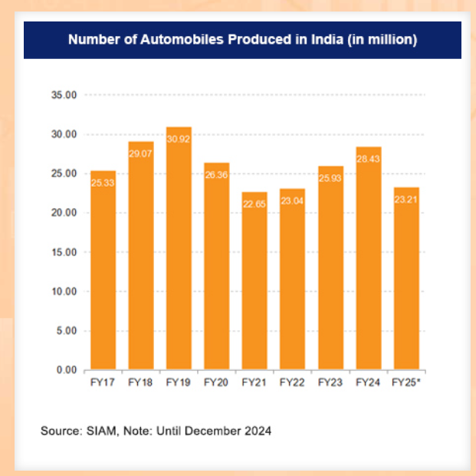
 | Statistica | Source: | https://www.statista.com/outlook/mmo/motorcycles/india
 | It is expected to show an annual growth rate of 3.18% (CAGR 2025-2030), resulting in a projected market volume of US$43.01bn by 2030.
 | India's motorcycle market is experiencing a surge in demand for electric two-wheelers as consumers prioritize sustainability and cost-efficiency.
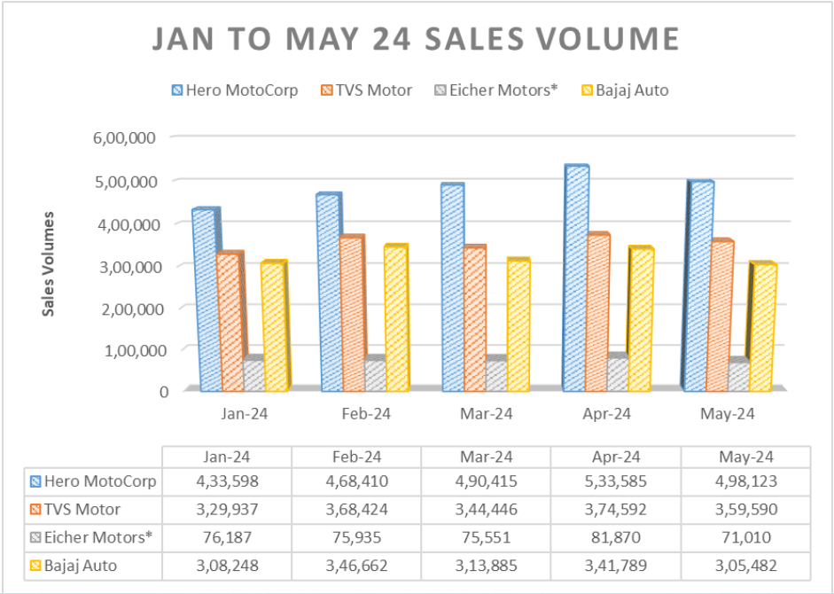
 | The largest segment in this market is On-road Motorcycles, which is projected to have a market volume of US$24.46bn in 2025.
 | Looking ahead, the market is expected to experience a compound annual rate of 1.54% from 2025 to 2030 - Trucks (VECV)

 | IBEF | Source: | https://www.ibef.org/industry/india-automobiles

 | Angelone | Source: | https://www.angelone.in/news/overview-indian-two-wheeler-automobile-manufacturing-industry
 | Market Size in 2024 | 299.2 billion USD (Value terms)
 | Market Size in E 2030 | 335.1 billion USD (Value terms)
 | CAGR ( 2017-2023) | 2.42%
 | CAGR ( 2024-2030) | 1.91%

 | Imarc Group | Source: | https://www.imarcgroup.com/india-two-wheeler-market
 | Market Growth Rate (2025-2033) | 15.64%
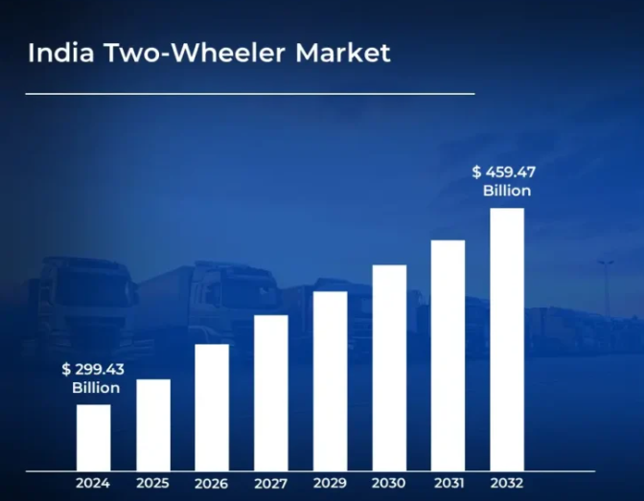
 | Verified Market Research | Source: | https://www.verifiedmarketresearch.com/product/india-two-wheeler-market/
 | the India Two-Wheeler Market is estimated to reach a valuation of USD 459.47 Billion over the forecast 2032, around USD 299.43 Billion valued in 2024.
 | 2024 | 2032 | CAGR
 | 299.43 | 459.47 | 5.50%
 | The volatility in raw material prices, particularly for steel, aluminum, and semiconductor components, has been leading to increased production costs.
 | Hence - supply chain disruptions and rising input costs,
 | According Verified Market Research, the growth of the India two-wheeler market in Maharashtra is being driven by increasing urbanization, rising disposable incomes, and strong demand for personal mobility solutions.

 | Market Wide Research | Source: | https://markwideresearch.com/press-release/india-two-wheeler-market-riding-towards-remarkable-growth-with-a-projected-cagr-of-8-7-from-2023-to-2030/
 | CAGR of 8.4% till 2030 | driven by urbanization, cost & fuel efficiency, and rising incomes

 | Tech sci research | Source: | https://www.techsciresearch.com/news/7765-india-two-wheeler-market
 | TechSci Research forecasts a CAGR of 10.5% from 2024‑2030, with value expanding from US $18 bn (2024) to US $33.2 bn (2030)
 | According to FADA data, FY25 (Apr '24–Mar '25) saw a 7.7% unit volume growth, with 18.9 million units sold—rural growth outpacing urban

 | Globe news wire | Source: | https://rss.globenewswire.com/news-release/2024/03/26/2852640/28124/en/India-Two-Wheeler-Market-2023-2029-A-16-63-Billion-Market-Opportunity-Vehicle-Type-Propulsion-Type-and-Granular-Region-Wise-Analysis.
 | Research and Markets supports a similar outlook: ~10.3% CAGR through 2029, raising the market’s value from $16.6 bn (2023) to $29.7 bn (2029)

 | Mordor Intelligence | Source: | https://www.mordorintelligence.com/industry-reports/india-two-wheeler-market
 | Mordor Intelligence suggests slightly slower growth: a CAGR of ~2.4% from 2025‑2029, with value rising from $315.9 bn to $347.4 bn (USD)—though they define the market differently in a higher base

 | PS market Research | Source: | https://www.psmarketresearch.com/market-analysis/india-electric-scooter-and-motorcycle-market
 | The electric two-wheeler market is booming, with an estimated 66.4% CAGR from 2024‑2030, growing from $681 m to ~$14.5 bn

 | Financial Times | Source: | https://www.ft.com/content/d69657ee-6cb6-43be-918a-a621f76e223d
 | Crisil projects a 25% volume increase in e-scooters by March 2026—though lower subsidies may delay profitability

 | EICHER - Research:

 | Simplywall | Source: | https://simplywall.st/stocks/in/automobiles/nse-eichermot/eicher-motors-shares/news/eicher-motors-full-year-2025-earnings-beats-expectations
 | Looking ahead, revenue is forecast to grow 8.4% p.a. on average during the next 3 years, compared to a 7.5% growth forecast for the Auto industry in India.

 | Nuvama | Source: | https://www.moneycontrol.com/news/business/markets/brokerages-optimistic-on-eicher-motors-strategic-shift-forecast-stronger-growth-12866825.html?utm_source=chatgpt.com
 | Nuvama forecasts a 9% revenue CAGR during FY24–27, driven by export growth and product refreshes
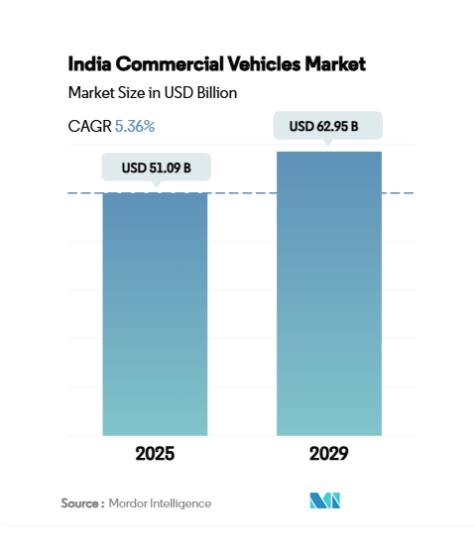

 |  |  |  | https://www.mordorintelligence.com/industry-reports/india-commercial-vehicles-market

 |  |  |  | Indian Commercial Vehicles CAGR = 5.36%

 | Concall May 2025 | Source: | https://cdn-media.screener.in/concalls/77fb479f-d1a5-4363-80e1-4372c970cf6e.pdf

 | Conclusion: (Sales Growth)
NOTE 1 - Sales Assumption:
Overall, India’s two-wheeler market is projected to grow at 8–10% CAGR through 2030, with the electric segment growing explosively (~60–66% CAGR), albeit still emerging. Both established ICE and fast-growing EV categories offer significant expansion opportunities, driven by affordable transport needs, policy support, digital innovation, and infrastructure enhancements.
While forecasting the sales growth of Eicher Motors, as they are on verge to launch their Electric Bike - Flying Flea, considering management guidance of launching it in 2026, sales growth is expected to rise. To put it in a numbers, from the study I feel it should grow at a rate of 15% starting from 2026 and growing in 2027 at 16-17%. Then gradually coming at a industry growth rate (6%) at the end of forecasted period (2030).
Talking about EV, with possibility of government support, it can certainly give a boost to EV segment of the business, leading to increased sales growth.

# | Gross Margins

 | Company Historical Growth

 | Particulars | FY2016 | FY2017 | FY2018 | FY2019 | FY2020 | FY2021 | FY2022 | FY2023 | FY2024 |  | Median | Average | Min | Max
 | Gross Margin % | 44.1% | 47.3% | 48.3% | 48.4% | 45.4% | 41.4% | 42.2% | 43.1% | 45.7% |  | 45.42% | 45.10% | 41.38% | 48.38%

 | ESG | Source: | https://www.eicher.in/content/dam/eicher-motors/investor/corporate-governance/business-responsibility-report/Business-Responsibility-and-Sustainability-Report_2022-2023.pdf?

Break-up % of Raw Material
 |  |  |  |  | Material Group | Waste Contribution (Non‑Hazardous) | Notes
 |  |  |  |  | steel + aluminium scrap | ~69% (4,534 t of 6,546 t) | Largest share |  |  | Steel+Aluminum | 69%
 |  |  |  |  | Plastics, rubber, wood, packaging | ~31% | Combined |  |  | Others | 31%
 |  |  |  |  | Hazardous materials (paint, oils, solvents) | 1,521 t separate | Process-related, not in core waste

 | Annual report 23-24 | Source: | https://www.bseindia.com/xml-data/corpfiling/AttachHis/717238ca-0a65-4a34-9441-893ddeea9f2f.pdf
 | In FY 2023–24, ~71% of direct materials came from suppliers within 500 km—promoting local procurement and reducing emissions
 | For conclusion:
 | Its approach blends local sourcing, multi-supplier resilience, and strong supplier relationships to ensure efficiency, compatibility, and cost-effectiveness.

 | Prof. Damodaran | Source: | https://pages.stern.nyu.edu/~adamodar/

 | Sector | Gross margin
 | Auto & Truck | 39.15% | India
 | Auto & Truck | 21.05% | Emerging
 | Auto & Truck | 18.34% | Global

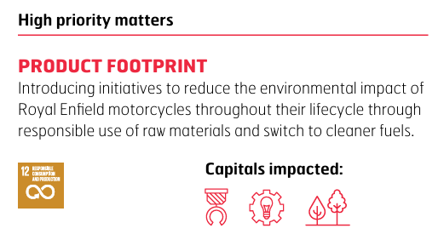
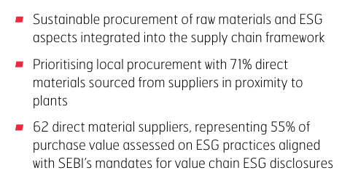
 | Annual Report 2024 | Source: | Eicher - AR 24.pdf
 |  |  |  |  |  |  | For Conclusion:
 |  |  |  |  |  |  | Company focuses on sustainable and local sourcing, with 71% of direct materials procured locally and 55% of purchase value assessed for ESG compliance per SEBI norms.

 |  |  |  |  |  |  | Supply chain risks include semiconductor shortages and rising commodity prices, which hurt profitability. Relying on single-source or country-specific suppliers increases concentration risk.
 |  |  |  |  |  |  | Hence Concentration Risk |  |  | However, they actively mitigate this through group procurement, engineering cost reduction, and use of recycled materials.
 |  |  |  |  |  |  | Therefore to reduce this, The company mitigates raw material shortages through alternate sourcing, inventory build-up, product adjustments, cost cuts, and price hikes.

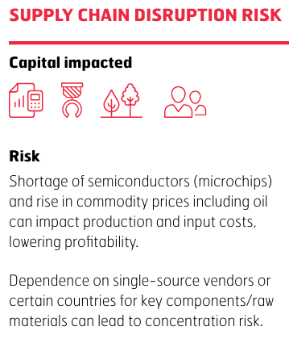
 |  |  | Mitigating action Adequate measures taken to mitigate raw material shortage impact on supply chain and manufacturing output.
 |  |  | Focus on alternate vendor sourcing, inventory build-up and optimising variant-feature mix to ensure sustained raw materials and component availability.
 |  |  | Undertaken cost reduction programmes, accelerated value engineering and product price increases to offset input price rise

 |  |  | High raw material costs and low selling prices of associated with EV business in India can impact the consolidated business profitability.

 | 71% of direct raw materials and 73% of indirect materials including consumables, spares, tools are sourced sustainably from local suppliers and vendors in and around the areas of operations mostly based in Chennai

 | Concall May 2025 | Source: | https://www.bseindia.com/xml-data/corpfiling/AttachHis/aa8bc404-031b-4df6-8ebd-8c7b986a8ae1.pdf
 | Vidhya Srinivasan:

 | Concall Feb 2025 | Source: | https://www.bseindia.com/xml-data/corpfiling/AttachHis/05369193-1faf-47ec-8b4f-b39d8597ca41.pdf

 |  |  |  |  |  |  |  | For Conclusion:
Eicher Motors uses a range of materials beyond steel and aluminum, including plastics, rubber, copper components, paints, lubricants, and packaging. While volumes aren’t disclosed, the company follows structured sustainability practices, recycling a significant portion of steel, aluminum, plastic, paint waste, and rubber through authorized channels. This reflects a strong ESG focus and a systemic approach to material efficiency and waste management.

 | Consensus Estimate of: | Gross Margin | Source: | https://trendlyne.com/research-reports/stock/360/EICHERMOT/eicher-motors-ltd/
 | ICICI Securities Limited | 45.50%
 | Motilal Oswal | 45.10% |  | Average | 44.53%
 | Morgan Stanley | 43.00%

 | Conclusion - Gross Margin
Eicher Motor's ~ 97% of COGS comes from Raw materials. Out of the raw materials, ~ 69% comes from Steel & Aluminum and rest ~ 31% comes from others (including plastics, rubber, copper components, paints, lubricants, and packaging).
As Steel and Aluminum makes uo a larger part, margins are affected by change in price of these commodities. Management also hinted a rise in prices by 20 bps resulted in shrinked margin over last quater acted as a headwind. The company follows structured sustainability practices, recycling a significant portion of steel, aluminum, plastic, paint waste, and rubber through authorized channels. This reflects a strong ESG focus and a systemic approach to material efficiency and waste management.
The Historical median and average are close enough(~ 45%), and hence shows stability and rigidness in the Gross Margin. Though Prof. Damodaran's data shows downward skew in Auto industry of Indian (39.15%), Global (21.05%) and Emerging markets (18.34%), it is mainly because it incorporates aggregate Auto industry and not specifically 2 wheeler and CV's. The Consensus estimate also comes to 44.53% on average.
Company focuses on sustainable and local sourcing, with 71% of direct materials procured locally and 55% of purchase value assessed for ESG compliance per SEBI norms. Its approach blends local sourcing, multi-supplier resilience, and strong supplier relationships to ensure efficiency, compatibility, and cost-effectiveness.
Supply chain risks include semiconductor shortages and rising commodity prices, which hurt profitability. Relying on single-source or country-specific suppliers increases concentration risk. However, they actively mitigate this through group procurement, engineering cost reduction, and use of recycled materials.
So while considering all the factors, I feel Near-term normalization post commodity headwinds will give a gross margin of 44% for 2026 and as we move ahead, margins will slightly improve because of the EV scale for next 2 years ( 45% for 2027 and 45.5% for 2028). But, given the concentration risk and other factors mentioned, we will have a conservative stance to rest last couple of years at 45%.

# | SG&A Expense
 |  |  |  |  |  |  |  |  |  |  |  | CAGR Growth
 | Particulars | FY2016 | FY2017 | FY2018 | FY2019 | FY2020 | FY2021 | FY2022 | FY2023 | FY2024 |  | 3 Years | 5 Years | 7 Years
 | Revenue From Operations | 6,173 | 7,033 | 8,965 | 9,797 | 9,154 | 8,720 | 10,298 | 14,442 | 16,536 |  | 23.78% | 11.04% | 12.99%
 | Sales Growth % |  | 13.93% | 27.47% | 9.28% | -6.56% | -4.74% | 18.10% | 40.24% | 14.50%

 | SG&A Expense | 1,035 | 1,152 | 1,522 | 1,836 | 1,978 | 1,827 | 2,169 | 2,786 | 3,230 |  | 20.92% | 11.96% | 15.87%
 | SG&A Growth % |  | 11.30% | 32.12% | 20.63% | 7.73% | -7.63% | 18.72% | 28.45% | 15.94%

 | Historical SG&A Analysis

 | SG&A Expense | FY2016 | FY2017 | FY2018 | FY2019 | FY2020 | FY2021 | FY2022 | FY2023 | FY2024
 | Employee Cost | 350 | 426 | 574 | 702 | 796 | 843 | 821 | 1,002 | 1,236
 | Power & Fuel Cost | 46 | 46 | 52 | 67 | 63 | 53 | 56 | 73 | 81
 | Rent , Rates & Taxes | 39 | 42 | 46 | 55 | 18 | 20 | 34 | 52 | 107
 | Insurance | 7.5 | 9.3 | 12 | 13 | 18 | 26 | 32 | 38 | 43
 | Printing and stationery | 0 | 0 | 0 | 0 | 0 | 0 | 0 | 0 | 0
 | Professional and legal fees | 39 | 26 | 30 | 58 | 59 | 59 | 71 | 61 | 89
 | Travelling and conveyance | 30 | 41 | 74 | 94 | 92 | 33 | 50 | 111 | 137
 | Other Administration | 0.8 | 0.6 | 0.6 | 0.6 | 0.7 | 0.9 | 0.8 | 1.2 | 1.3
 | Selling and Distribution Cost | 271 | 292 | 392 | 421 | 467 | 375 | 615 | 741 | 867
 | Misc. Cost | 86 | 90 | 112 | 149 | 196 | 158 | 145 | 295 | 237
 | Other Expenses | 166 | 179 | 229 | 276 | 268 | 259 | 344 | 412 | 432
 | Less: Total SG&A Expense (Excluding Depre & Ammortization) | 1,035 | 1,152 | 1,522 | 1,836 | 1,978 | 1,827 | 2,169 | 2,786 | 3,230
 |  |  |  |  |  |  |  |  |  |  |  | Median | Average
 | Employee Cost % Revenue | 5.7% | 6.1% | 6.4% | 7.2% | 8.7% | 9.7% | 8.0% | 6.9% | 7.5% |  | 7.2% | 7.3%
 | Selling & Distribution Cost % Revenue | 4.4% | 4.2% | 4.4% | 4.3% | 5.1% | 4.3% | 6.0% | 5.1% | 5.2% |  | 4.4% | 4.8%
 | Other Expenses % Revenue | 2.7% | 2.5% | 2.6% | 2.8% | 2.9% | 3.0% | 3.3% | 2.9% | 2.6% |  | 2.8% | 2.8%
 | Other Misc. costs % Revenue | 4.0% | 3.6% | 3.6% | 4.5% | 4.9% | 4.0% | 3.8% | 4.4% | 4.2% |  | 4.0% | 4.1%
 | SG&A % Revenue | 16.8% | 16.4% | 17.0% | 18.7% | 21.6% | 21.0% | 21.1% | 19.3% | 19.5% |  | 19.3% | 19.0%

 | Common Sized: | FY2016 | FY2017 | FY2018 | FY2019 | FY2020 | FY2021 | FY2022 | FY2023 | FY2024 |  | Median | Average
 | Employee Cost | 33.8% | 37.0% | 37.7% | 38.2% | 40.2% | 46.1% | 37.9% | 36.0% | 38.3% |  | 37.9% | 38.4%
 | Power & Fuel Cost | 4.4% | 4.0% | 3.4% | 3.7% | 3.2% | 2.9% | 2.6% | 2.6% | 2.5% |  | 3.2% | 3.3%
 | Rent , Rates & Taxes | 3.8% | 3.6% | 3.0% | 3.0% | 0.9% | 1.1% | 1.6% | 1.9% | 3.3% |  | 3.0% | 2.5%
 | Insurance | 0.7% | 0.8% | 0.8% | 0.7% | 0.9% | 1.4% | 1.5% | 1.4% | 1.3% |  | 0.9% | 1.1%
 | Printing and stationery | 0.0% | 0.0% | 0.0% | 0.0% | 0.0% | 0.0% | 0.0% | 0.0% | 0.0% |  | 0.0% | 0.0%
 | Professional and legal fees | 3.8% | 2.3% | 2.0% | 3.2% | 3.0% | 3.2% | 3.3% | 2.2% | 2.8% |  | 3.0% | 2.8%
 | Travelling and conveyance | 2.9% | 3.6% | 4.9% | 5.1% | 4.7% | 1.8% | 2.3% | 4.0% | 4.2% |  | 4.0% | 3.7%
 | Other Administration | 0.1% | 0.1% | 0.0% | 0.0% | 0.0% | 0.0% | 0.0% | 0.0% | 0.0% |  | 0.0% | 0.0%
 | Selling and Distribution Cost | 26.2% | 25.3% | 25.8% | 22.9% | 23.6% | 20.5% | 28.4% | 26.6% | 26.8% |  | 25.8% | 25.1%
 | Misc. Cost | 8.3% | 7.8% | 7.4% | 8.1% | 9.9% | 8.6% | 6.7% | 10.6% | 7.3% |  | 8.1% | 8.3%
 | Other Expenses | 16.0% | 15.5% | 15.0% | 15.0% | 13.6% | 14.2% | 15.9% | 14.8% | 13.4% |  | 15.0% | 14.8%
 | Less: Total SG&A Expense (Excluding Depre & Ammortization) | 100.0% | 100.0% | 100.0% | 100.0% | 100.0% | 100.0% | 100.0% | 100.0% | 100.0%

 | Conclusion - SG&A Exp
From the historical data analysis, we found 3 major expenses which compile 75 to 80% of total SG&A Expense. So we explicitly linked those to revenue and computed their median and average. As we can see, median and average are closely aligned, hence we can safely take it into our forecasting period. The volatilty of these expense is minimal which compliments our assumption. The median of total SG&A expense as a percentage of Sales comes out to be ~19% which is assumed for our forecast period.

# | Current Assets

 | Historical Analysis |  |  |  |  |  |  |  |  |  |  | CAGR Growth
 | Current Assets | FY2016 | FY2017 | FY2018 | FY2019 | FY2020 | FY2021 | FY2022 | FY2023 | FY2024 |  | 3 Years | 5 Years | 7 Years
 | Inventories | 308 | 336 | 395 | 633 | 572 | 875 | 1,132 | 1,278 | 1,410 |  | 17.24% | 17.37% | 22.74%
 | Investments | 583 | 884 | 633 | 469 | 2,512 | 1,076 | 425 | 220 | 181 |  | -44.80% | -17.34% | -20.27%
 | Trade Receivables | 33 | 50 | 68 | 84 | 87 | 158 | 302 | 369 | 374 |  | 33.27% | 34.81% | 33.30%
 | Loans | 67 | 61 | 174 | 157 | 126 | 620 | 913 | 964 | 1,907 |  | 45.43% | 64.77% | 63.52%
 | Others | 9 | 26 | 53 | 107 | 127 | 249 | 125 | 86 | 134 |  | -18.66% | 4.60% | 26.40%
 | Cash and Cash Equivalents | 49 | 24 | 1,212 | 2,965 | 2,951 | 5,830 | 2,722 | 766 | 145 |  | -70.81% | -45.31% | 29.30%
 | Total Current Assets | 1,049 | 1,381 | 2,535 | 4,415 | 6,375 | 8,808 | 5,619 | 3,683 | 4,151 |  | -22.18% | -1.23% | 17.03%

 | TOTAL ASSETS | 5,833 | 7,009 | 9,522 | 11,387 | 12,450 | 14,559 | 16,140 | 19,198 | 23,115 |  | 16.66% | 15.21% | 18.59%

 | Current Assets % Total Assets | 18.0% | 19.7% | 26.6% | 38.8% | 51.2% | 60.5% | 34.8% | 19.2% | 18.0%

 | Common Sized | FY2016 | FY2017 | FY2018 | FY2019 | FY2020 | FY2021 | FY2022 | FY2023 | FY2024
 | Inventories | 29% | 24% | 16% | 14% | 9% | 10% | 20% | 35% | 34%
 | Investments | 56% | 64% | 25% | 11% | 39% | 12% | 8% | 6% | 4%
 | Trade Receivables | 3% | 4% | 3% | 2% | 1% | 2% | 5% | 10% | 9%
 | Loans | 6% | 4% | 7% | 4% | 2% | 7% | 16% | 26% | 46%
 | Others | 1% | 2% | 2% | 2% | 2% | 3% | 2% | 2% | 3%
 | Cash and Cash Equivalents | 5% | 2% | 48% | 67% | 46% | 66% | 48% | 21% | 3%
 | Sales Growth % | Inventory Growth %
 | 13.93% | 9.09%
 | 27.47% | 17.56%
 | 9.28% | 60.25%
 | -6.56% | -9.64%
 | -4.74% | 52.97%
 | 18.10% | 29.37%
 | 40.24% | 12.90%
 | 14.50% | 10.33%
 | Total Current Assets | 100% | 100% | 100% | 100% | 100% | 100% | 100% | 100% | 100%

# | Inventory

 | Particulars | FY2016 | FY2017 | FY2018 | FY2019 | FY2020 | FY2021 | FY2022 | FY2023 | FY2024 |  | Median | Average
 | Revenue From Operations | 6,173 | 7,033 | 8,965 | 9,797 | 9,154 | 8,720 | 10,298 | 14,442 | 16,536
 | Sales Growth % |  | 13.93% | 27.47% | 9.28% | -6.56% | -4.74% | 18.10% | 40.24% | 14.50% |  | 14.2% | 14.0%

 | Inventories | 308 | 336 | 395 | 633 | 572 | 875 | 1,132 | 1,278 | 1,410
 | Inventory Growth % |  | 9.09% | 17.56% | 60.25% | -9.64% | 52.97% | 29.37% | 12.90% | 10.33% |  | 15.2% | 22.9%

 | Average Inventory |  | 322.00 | 365.50 | 514.00 | 602.50 | 723.50 | 1003.50 | 1205.00 | 1344.00
 | Average Inventory % Revenue |  | 4.6% | 4.1% | 5.2% | 6.6% | 8.3% | 9.7% | 8.3% | 8.1% |  | 7.4% | 6.9%

 | COGS | 3,448 | 3,706 | 4,635 | 5,057 | 4,996 | 5,112 | 5,956 | 8,212 | 8,981

 | Inventory Turnover Ratio (COGS) |  | 11.51x | 12.68x | 9.84x | 8.29x | 7.07x | 5.94x | 6.81x | 6.68x |  | 7.68x | 8.60x
 | Inventory Turnover Ratio (Sales) |  | 21.84x | 24.53x | 19.06x | 15.19x | 12.05x | 10.26x | 11.99x | 12.30x |  | 13.75x | 15.90x
 | Inventory Days (COGS) |  | 32 | 29 | 37 | 44 | 52 | 61 | 54 | 55 |  | 48 | 45
 | Inventory Days (Sales) |  | 17 | 15 | 19 | 24 | 30 | 36 | 30 | 30 |  | 27 | 25
 | 365

 | Peers Inventory Days Analysis | FY2016 | FY2017 | FY2018 | FY2019 | FY2020 | FY2021 | FY2022 | FY2023 | FY2024 | FY2025
 | Eicher | 33 | 32 | 29 | 37 | 44 | 52 | 61 | 54 | 55 | 55
 | Peer 1 - TVS Motors | 40 | 47 | 34 | 34 | 35 | 39 | 37 | 34 | 34 | 33
 | Peer 2 - Hero Motocorp | 14 | 14 | 16 | 19 | 24 | 30 | 26 | 27 | 25 | 27
 | Peer 3 - Bajaj Auto | 17 | 18 | 16 | 16 | 18 | 28 | 18 | 22 | 19 | 22

 | Median | 17 | 18 | 16 | 19 | 24 | 30 | 26 | 27 | 25 | 27 | 24.00 | 22.44
 | Average | 24 | 26 | 22 | 23 | 26 | 32 | 27 | 28 | 26 | 27 | 26.00 | 25.96

 | Consensus Estimate | Source: | https://trendlyne.com/research-reports/stock/360/EICHERMOT/eicher-motors-ltd/

 | Issuing Co. | FY2026 | FY2027
 | ICICI Securities | 22 | 22 |  | For Conclusion:
 | Geojit BNP Paribas | 57.5 | 58 |  | Consensus Estimate is considered almost flat from the current levels.
 | Motilal Oswal | 30 | 30

 | Concall Nov 2023
 | As we head into the festive season, we have built adequate inventory both at the plant and dealership level to cater to expected demand.
 | — CEO, B. Govindarajan
 | Diwali, Dussehra, and regional festivals.

 | Royal Enfield often launches or promotes new variants (e.g. Classic, Bullet upgrades) around festivals.

 | Conclusion - Inventory
The Management generally increases inventory levels in the months of September to November, to catch up with increase in demand due to festivals like Diwali & Dussehra. Also, they strategically launch new variants around festival season. Apart from this, management hasn't given any guidance on Inventory levels, hence we will rely on our study and consensus estimates. Based on the historical data, inventory levels are kind of stabled after covid 19. The median Inventory turnover ratio is coming out to be 7.68x and the median Inventory days are at 47.5 (We have taken COGS as the base for calculating inventory days).
The peers Inventory days averages ~25. Hence we can conclude that Eicher has been keeping inventory levels higher than their peers. While the consensus Estimate is considered almost flat from the current levels till the end of forecasting period.
As Eicher is launching its new EV, the inventory days may certainly increase from the current level of 55 to 60 by 5 days. This is assumed to stay the same for 2 years (2026 & 2027) and then considered to normalize at 55 as we approach ending of the forecasted period.

# | Debtors

 | Particulars | FY2016 | FY2017 | FY2018 | FY2019 | FY2020 | FY2021 | FY2022 | FY2023 | FY2024 |  | Median | Average
 | Revenue From Operations | 6,173 | 7,033 | 8,965 | 9,797 | 9,154 | 8,720 | 10,298 | 14,442 | 16,536
 | Sales Growth % |  | 13.93% | 27.47% | 9.28% | -6.56% | -4.74% | 18.10% | 40.24% | 14.50% |  | 14.2% | 14.0%

 | Trade Receivables | 33 | 50 | 68 | 84 | 87 | 158 | 302 | 369 | 374
 | Trade Receivables % Growth |  | 51.52% | 36.00% | 23.53% | 3.57% | 81.61% | 91.14% | 22.19% | 1.36% |  | 29.8% | 38.9%

 | Average Trade Receivables |  | 42 | 59 | 76 | 86 | 123 | 230 | 336 | 372

 | Average Trade Receivables % Sales |  | 0.59% | 0.66% | 0.78% | 0.93% | 1.40% | 2.23% | 2.32% | 2.25% |  | 1.2% | 1.4%

 | Receivable Turnover Ratio |  | 169.5x | 151.9x | 128.9x | 107.1x | 71.2x | 44.8x | 43.0x | 44.5x |  | 89.1x | 95.1x

 | Debtor Days |  | 2.2 | 2.4 | 2.8 | 3.4 | 5.1 | 8.2 | 8.5 | 8.2 |  | 4.27 | 5.09
 | 365

 | Peers Inventory Days Analysis | FY2016 | FY2017 | FY2018 | FY2019 | FY2020 | FY2021 | FY2022 | FY2023 | FY2024 | FY2025
 | Eicher | 2 | 2 | 2 | 3 | 3 | 5 | 8 | 8 | 8 | 11
 | Peer 1 - TVS Motors | 16 | 21 | 24 | 28 | 28 | 19 | 18 | 14 | 17 | 14
 | Peer 2 - Hero Motocorp | 16 | 20 | 16 | 29 | 19 | 27 | 27 | 29 | 25 | 30
 | Peer 3 - Bajaj Auto | 12 | 16 | 22 | 31 | 21 | 36 | 17 | 18 | 17 | 15

 | Median | 16 | 20 | 22 | 29 | 21 | 27 | 18 | 18 | 17 | 15 | 20.00 | 20.89
 | Average | 15 | 19 | 21 | 29 | 23 | 27 | 21 | 20 | 20 | 20 | 20.67 | 21.59

 | Consensus Estimate | Source: | https://trendlyne.com/research-reports/stock/360/EICHERMOT/eicher-motors-ltd/

 | Issuing Co. | FY2026 | FY2027
 | ICICI Securities | 15 | 15
 | Motilal Oswal | 11 | 11

 | Trade Receivable Ageing | Source | Eicher - AR 24.pdf
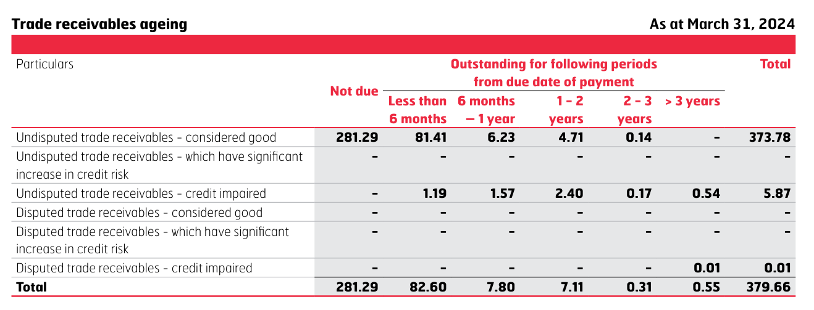

 | Trade Receivables | 281.29 | 82.6 | 7.8 | 7.11 | 0.31 | 0.55 | 379.66
 | Trade Receivables % | 74.1% | 21.8% | 2.1% | 1.9% | 0.1% | 0.1% | 100.0%

 | Credit Risk | Source | Eicher - AR 24.pdf
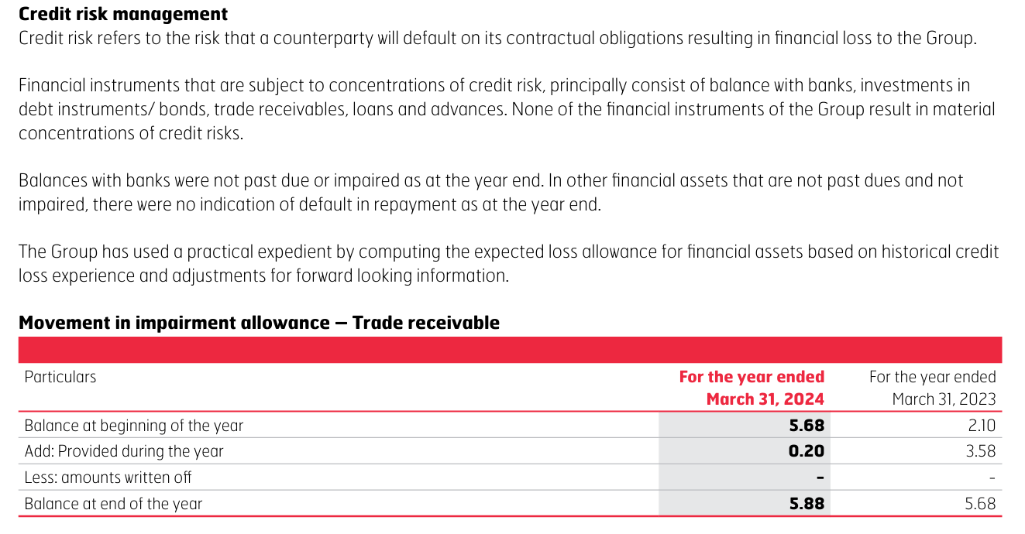

Basis our study, a major portion (74.1%) of trade receivables are received immediately, and around 22% receivables are collected within 6 months. This shows efficienctly managing the debtors by the management. Also there is no counterparty credit risk, as the sales are diversified across the country.
The median receivable turnover ratio is around 89x and the Debtor days are coming to be 4.27. The peers are showing a median of ~20 which states, Eicher is operating its Debtors very efficiently and which can be a differenciating factor. The consensus estimate of debtor days is 13 on average.
So, while making forecast, we assumed a constant debtor days of 10 throughout.

# | Other current Assets

 | Particulars | FY2016 | FY2017 | FY2018 | FY2019 | FY2020 | FY2021 | FY2022 | FY2023 | FY2024 |  | Median | Average
 | Revenue | 6,173 | 7,033 | 8,965 | 9,797 | 9,154 | 8,720 | 10,298 | 14,442 | 16,536
 | Other current Assets | 9 | 26 | 53 | 107 | 127 | 249 | 125 | 86 | 133

 | Other current Assets % Revenue | 0.1% | 0.4% | 0.6% | 1.1% | 1.4% | 2.9% | 1.2% | 0.6% | 0.8% |  | 0.8% | 1.0%

 | Other Current Assets as 1% of Sales is assumed to be 1% throughout the forecasting period

# | Investments

 | Particulars | FY2016 | FY2017 | FY2018 | FY2019 | FY2020 | FY2021 | FY2022 | FY2023 | FY2024 |  | Median | Average
 | Revenue | 6,173 | 7,033 | 8,965 | 9,797 | 9,154 | 8,720 | 10,298 | 14,442 | 16,536
 | Investments | 583 | 884 | 633 | 469 | 2,512 | 1,076 | 425 | 220 | 181

 | Other current Assets % Revenue | 9.4% | 12.6% | 7.1% | 4.8% | 27.4% | 12.3% | 4.1% | 1.5% | 1.1% |  | 7.1% | 8.9%

# | Short Term Loans

 | Particulars | FY2016 | FY2017 | FY2018 | FY2019 | FY2020 | FY2021 | FY2022 | FY2023 | FY2024 |  | Median | Average
 | Revenue | 6,173 | 7,033 | 8,965 | 9,797 | 9,154 | 8,720 | 10,298 | 14,442 | 16,536
 | Short Term Loans | 67 | 61 | 174 | 157 | 126 | 620 | 913 | 964 | 1,907
 |  |  |  |  |  |  |  |  |  |  |  | For Last 5 years
 | Short Term Loans % Revenue | 1.1% | 0.9% | 1.9% | 1.6% | 1.4% | 7.1% | 8.9% | 6.7% | 11.5% |  | 7.1% | 7.1%

# | Fixed Assets

 | Particulars | FY2016 | FY2017 | FY2018 | FY2019 | FY2020 | FY2021 | FY2022 | FY2023 | FY2024 |  | Median | Average
 | Gross Block | 1,061 | 1,285 | 2,134 | 2,757 | 3,575 | 4,049 | 4,405 | 5,142 | 5,750
 | Less: Accumulated Depreciation | 271 | 416 | 636 | 886 | 1,201 | 1,616 | 1,981 | 2,452 | 2,836
 | Net Fixed Assets | 790 | 869 | 1,498 | 1,871 | 2,374 | 2,433 | 2,424 | 2,690 | 2,914

 | Total Assets | 5,833 | 7,009 | 9,522 | 11,387 | 12,450 | 14,559 | 16,140 | 19,198 | 23,115

 | Net Fixed Assets % Total Assets | 13.5% | 12.4% | 15.7% | 16.4% | 19.1% | 16.7% | 15.0% | 14.0% | 12.6% |  | 15.0% | 15.1%

 | Total Revenue | 6173 | 7033 | 8965 | 9797 | 9154 | 8720 | 10298 | 14442 | 16536

 | Net Fixed Assets % Total Revenue | 12.8% | 12.4% | 16.7% | 19.1% | 25.9% | 27.9% | 23.5% | 18.6% | 17.6% |  | 18.6% | 19.4%

 | Growth in Gross Block YoY% |  | 21.1% | 66.1% | 29.2% | 29.7% | 13.3% | 8.8% | 16.7% | 11.8% |  | 18.9% | 24.6%

 | Change in Gross Block |  | 224 | 849 | 623 | 818 | 474 | 356 | 737 | 608
 | Change in Revenue |  | 860 | 1932 | 832 | -643 | -434 | 1578 | 4144 | 2094

 | Reinventment Rate |  | 3.8x | 2.3x | 1.3x | -0.8x | -0.9x | 4.4x | 5.6x | 3.4x |  | 2.9x | 2.4x
 | (Change in Gross Block/Change in Revenue)
 | Asset Turnover Ratio |  | 1.0x | 0.9x | 0.9x | 0.7x | 0.6x | 0.6x | 0.8x | 0.7x |  | 0.7x | 0.8x

 | Breakup of Fixed Assets
 | Particulars | FY2016 | FY2017 | FY2018 | FY2019 | FY2020 | FY2021 | FY2022 | FY2023 | FY2024
 | Land | 86 | 86 | 86 | 86 | 182 | 232 | 230 | 230 | 229
 | Building | 177 | 230 | 484 | 644 | 871 | 866 | 867 | 1,051 | 1,127
 | Plant Machinery | 663 | 795 | 1,303 | 1,548 | 1,928 | 2,088 | 2,336 | 2,598 | 2,744
 | Equipments | 51 | 68 | 110 | 140 | 188 | 204 | 226 | 266 | 231
 | Furniture n fittings | 12 | 14 | 21 | 28 | 34 | 38 | 37 | 39 | 42
 | Vehicles | 19 | 20 | 37 | 53 | 71 | 98 | 121 | 138 | 200
 | Intangible Assets | 0 | 0 | 0 | 0 | 0 | 0 | 0 | 0 | 0
 | Other fixed assets | 53 | 72 | 93 | 258 | 301 | 523 | 588 | 820 | 1,177
 | Fixed Assets - Gross Block | 1061 | 1285 | 2134 | 2757 | 3575 | 4049 | 4405 | 5142 | 5750

 | Common Sized FA | FY2016 | FY2017 | FY2018 | FY2019 | FY2020 | FY2021 | FY2022 | FY2023 | FY2024
 | Land | 8.1% | 6.7% | 4.0% | 3.1% | 5.1% | 5.7% | 5.2% | 4.5% | 4.0% |  | 5.1% | 5.2% | Exclude Land from Gross Assets if significant
 | Building | 16.7% | 17.9% | 22.7% | 23.4% | 24.4% | 21.4% | 19.7% | 20.4% | 19.6% |  | 20.4% | 20.7%
 | Plant Machinery | 62.5% | 61.9% | 61.1% | 56.1% | 53.9% | 51.6% | 53.0% | 50.5% | 47.7% |  | 53.9% | 55.4%
 | Equipments | 4.8% | 5.3% | 5.2% | 5.1% | 5.3% | 5.0% | 5.1% | 5.2% | 4.0%
 | Furniture n fittings | 1.1% | 1.1% | 1.0% | 1.0% | 1.0% | 0.9% | 0.8% | 0.8% | 0.7%
 | Vehicles | 1.8% | 1.6% | 1.7% | 1.9% | 2.0% | 2.4% | 2.7% | 2.7% | 3.5%
 | Intangible Assets | 0.0% | 0.0% | 0.0% | 0.0% | 0.0% | 0.0% | 0.0% | 0.0% | 0.0%
 | Other fixed assets | 5.0% | 5.6% | 4.4% | 9.4% | 8.4% | 12.9% | 13.3% | 15.9% | 20.5% |  | 9.4% | 10.6%
 | Fixed Assets - Gross Block | 100.0% | 100.0% | 100.0% | 100.0% | 100.0% | 100.0% | 100.0% | 100.0% | 100.0%

 | Particulars | FY2016 | FY2017 | FY2018 | FY2019 | FY2020 | FY2021 | FY2022 | FY2023 | FY2024

 | Change in Gross Block |  | 224 | 849 | 623 | 818 | 474 | 356 | 737 | 608
 | Depre & Ammortization |  | 154 | 223 | 300 | 382 | 451 | 452 | 526 | 598

 | Maintainance Capex |  | 154 | 223 | 300 | 382 | 451 | 452 | 526 | 598
 | Growth Capex |  | 70 | 626 | 323 | 436 | 23 | 0 | 211 | 10

 | Management Guidance | Source

 | Concall Feb 2025 |  |  |  |  |  | For Conclusion:
 |  |  |  |  |  |  | 1.5 Lac Units per Year - Flying Flea

 |  |  |  |  |  |  | 1000 Cr for whole year announced, and on track

 | Concall May 2025
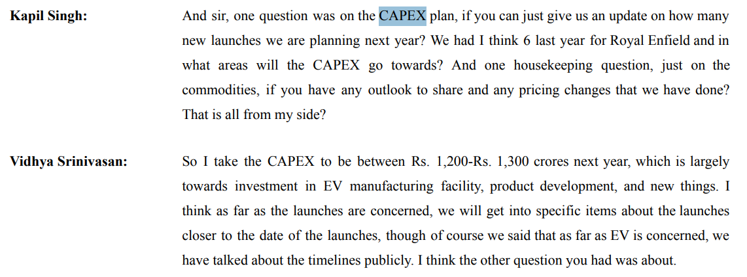

 |  |  |  |  |  |  | 1200 - 1300 Cr. For next year.
 |  |  |  |  |  |  | Largely Towards EV manufacturing facility, product development, and new things

 | Actual |  |  |  |  |  |  |  |  |  | Forecast
 | Particulars | FY2016 | FY2017 | FY2018 | FY2019 | FY2020 | FY2021 | FY2022 | FY2023 | FY2024 | FY2025 | FY2026 | FY2027 | FY2028 | FY2029 | FY2030 | FY2031 | FY2032 | FY2033 | FY2034 | FY2035
 | Gross Block | 1,061 | 1,285 | 2,134 | 2,757 | 3,575 | 4,049 | 4,405 | 5,142 | 5,750 | 6838 | 8088 | 9104 | 10036 | 10803 | 11324 | 11831 | 12317 | 12776 | 13229 | 13674
 | Less: Accumulated Depreciation | 271 | 416 | 636 | 886 | 1,201 | 1,616 | 1,981 | 2,452 | 2,836 | 2,983 | 3,834 | 3,346 | 3,689 | 3,970 | 4,162 | 4,348 | 4,527 | 4,696 | 4,862 | 5,026
 | Net Fixed Assets | 790 | 869 | 1,498 | 1,871 | 2,374 | 2,433 | 2,424 | 2,690 | 2,914 | 3,855 | 4,254 | 5,758 | 6,348 | 6,832 | 7,162 | 7,483 | 7,790 | 8,080 | 8,367 | 8,648
 | Depre % Gross Block | 26% | 32% | 30% | 32% | 34% | 40% | 45% | 48% | 49% | 44%
 | Median | 37%
 | Net Fixed Assets % Revenue | 13% | 12% | 17% | 19% | 26% | 28% | 24% | 19% | 18% | 20% | 20% | 23% | 22% | 22% | 21% | 21% | 21% | 21% | 21% | 21%

 | Particulars | FY2025 | FY2026 | FY2027 | FY2028 | FY2029 | FY2030 | FY2031 | FY2032 | FY2033 | FY2034 | FY2035
 | Sales growth Forecast | 18871 | 2831 | 3689 | 3385 | 2782 | 1893 | 1840 | 1765 | 1668 | 1646 | 1615
 | Capex Forecast | 1028 | 1250 | 1016 | 932 | 766 | 521 | 507 | 486 | 459 | 453 | 445

 | Particulars | FY2016 | FY2017 | FY2018 | FY2019 | FY2020 | FY2021 | FY2022 | FY2023 | FY2024
 | Sales | 6173 | 7033 | 8965 | 9797 | 9154 | 8720 | 10298 | 14442 | 16536
 | Sales Growth |  | 860 | 1932 | 832 | -643 | -434 | 1578 | 4144 | 2094
 | Capex during the year |  | 224 | 849 | 623 | 818 | 474 | 356 | 737 | 608 |  | Median Removing outlyers
 | Capex % Sales Growth |  | 26% | 44% | 75% | -127% | -109% | 23% | 18% | 29% |  | 28%

 | Conclusion - Capex
Historically, The net fixed assets are ~15% of the total assets and the fixed assets have grown at a median of ~19%. The current year depreciation and ammortization amout is considered to be the mainteinance capex, and the remaining is growth capex.
The management has committed of 1200 - 1300 Cr capex for the next year. The company is mainly focused on EV manufacturing facility, product development, and new things. The Target production of EV - Flying Flea is around 1.5 lacs per year. So our assumption regarding the capex will be 1250 for year 2026. While forecasting capex for the remaining period, we have linked it to sales growth. We have assumed the median of historical Capex % of sales growth to be that of the forecasting period.
During the terminal year, capex is benchmarked with depreciation (100% maintenance capex) for moderate growth.

# | Other Non current Assets

 | Other non current Assets | FY2016 | FY2017 | FY2018 | FY2019 | FY2020 | FY2021 | FY2022 | FY2023 | FY2024 |  | Median | Average
 | Revenue | 6,173 | 7,033 | 8,965 | 9,797 | 9,154 | 8,720 | 10,298 | 14,442 | 16,536
 | Other non current Assets | 183 | 204 | 285 | 272 | 290 | 276 | 457 | 442 | 2,245

 | Other non currect asssets % Sales | 3.0% | 2.9% | 3.2% | 2.8% | 3.2% | 3.2% | 4.4% | 3.1% | 13.6% |  | 3.2% | 4.4%

 | Long Term Investments | FY2016 | FY2017 | FY2018 | FY2019 | FY2020 | FY2021 | FY2022 | FY2023 | FY2024 |  | Median | Average
 | Revenue | 6,173 | 7,033 | 8,965 | 9,797 | 9,154 | 8,720 | 10,298 | 14,442 | 16,536
 | Long Term Investments | 2,801 | 4,104 | 4,947 | 4,454 | 3,236 | 2,826 | 7,296 | 12,101 | 13,346

 | Other non currect asssets % Sales | 45.4% | 58.4% | 55.2% | 45.5% | 35.4% | 32.4% | 70.8% | 83.8% | 80.7% |  | 55.2% | 56.4%

 | Long term Loans & Advances | FY2016 | FY2017 | FY2018 | FY2019 | FY2020 | FY2021 | FY2022 | FY2023 | FY2024 |  | Median | Average
 | Revenue | 6,173 | 7,033 | 8,965 | 9,797 | 9,154 | 8,720 | 10,298 | 14,442 | 16,536
 | Long term Loans & Advances | 978 | 188 | 115 | 104 | 148 | 152 | 210 | 204 | 247

 | Other non currect asssets % Sales | 15.8% | 2.7% | 1.3% | 1.1% | 1.6% | 1.7% | 2.0% | 1.4% | 1.5% |  | 1.6% | 3.2%

# | Capital WIP
 | Actual |  |  |  |  |  |  |  |  |  | Forecast
 | Particulars | FY2016 | FY2017 | FY2018 | FY2019 | FY2020 | FY2021 | FY2022 | FY2023 | FY2024 | FY2025 | FY2026 | FY2027 | FY2028 | FY2029 | FY2030
 | Net Fixed Assets | 790 | 869 | 1,498 | 1,871 | 2,374 | 2,433 | 2,424 | 2,690 | 2,914 | 3,855 | 4,254 | 5,758 | 6,348 | 6,832 | 7,162
 | CWIP | 33 | 264 | 142 | 272 | 27 | 64 | 134 | 78 | 212 | 110 | 0 | 0 | 0 | 0 | 0

 | CWIP % Fixed Assets | 4.2% | 30.4% | 9.5% | 14.5% | 1.1% | 2.6% | 5.5% | 2.9% | 7.3% | 2.9% | 0.0% | 0.0% | 0.0% | 0.0% | 0.0%
 |  |  |  |  |  |  |  |  |  |  |  | Median | Average
 | Median CWIP % FA - Moderate Capex |  | 4.2% |  |  |  |  |  |  |  |  | 5.5% | 8.7%
 | Median CWIP % FA - High Capex |  | 22.5%

 | There is no management guidance on CWIP

 | Consensus Estimate
 | Axis Direct | 468

 | Conclusion - CWIP
Historically, the median of Capital WIP was 5.5% of Net Fixed assets. Basis our study, CWIP for the forecast period is assumed to be 0.

# | Depreciation

 | Particulars | FY2016 | FY2017 | FY2018 | FY2019 | FY2020 | FY2021 | FY2022 | FY2023 | FY2024 |  | Median | Average
 | Gross Block | 1,061 | 1,285 | 2,134 | 2,757 | 3,575 | 4,049 | 4,405 | 5,142 | 5,750
 | Less: Accumulated Depreciation | 271 | 416 | 636 | 886 | 1,201 | 1,616 | 1,981 | 2,452 | 2,836
 | Net Fixed Assets | 790 | 869 | 1,498 | 1,871 | 2,374 | 2,433 | 2,424 | 2,690 | 2,914

 | Depreciation for the Year | 137 | 154 | 223 | 300 | 382 | 451 | 452 | 526 | 598

 | Average Life of Assets | 8 | 8 | 10 | 9 | 9 | 9 | 10 | 10 | 10 |  | 9 | 9
 | Average Age of Assets | 2 | 3 | 3 | 3 | 3 | 4 | 4 | 5 | 5 |  | 3 | 3
 | % of Asset Depreciated | 26% | 32% | 30% | 32% | 34% | 40% | 45% | 48% | 49%

 | Depreciation % Net Fixed Assets | 17.3% | 17.7% | 14.9% | 16.0% | 16.1% | 18.5% | 18.6% | 19.6% | 20.5% |  | 18% | 18%
 | Depreciation % Gross Block | 12.9% | 12.0% | 10.4% | 10.9% | 10.7% | 11.1% | 10.3% | 10.2% | 10.4% |  | 11% | 11%
 | Depreciation % Revenue | 2.2% | 2.2% | 2.5% | 3.1% | 4.2% | 5.2% | 4.4% | 3.6% | 3.6% |  | 4% | 3%

# | Other Income

 | Particulars | FY2016 | FY2017 | FY2018 | FY2019 | FY2020 | FY2021 | FY2022 | FY2023 | FY2024 |  | Median | Average
 | Revenue | 6,173 | 7,033 | 8,965 | 9,797 | 9,154 | 8,720 | 10,298 | 14,442 | 16,536
 | Other Income | 326 | 416 | 536 | 700 | 576 | 484 | 501 | 910 | 1,526

 | Other Income % Revenue | 5.3% | 5.9% | 6.0% | 7.1% | 6.3% | 5.6% | 4.9% | 6.3% | 9.2% |  | 6.0% | 6.3%

# | Current Liabilities

# | Trade Payables

 | Particulars | FY2016 | FY2017 | FY2018 | FY2019 | FY2020 | FY2021 | FY2022 | FY2023 | FY2024 |  | Median | Average
 | Trade payables | 663 | 677 | 1121 | 1315 | 1069 | 1732 | 1819 | 1691 | 1907
 | Growth YoY % |  | 2.2% | 65.5% | 17.3% | -18.7% | 61.9% | 5.0% | -7.1% | 12.8%

 | COGS | 3448 | 3706 | 4635 | 5057 | 4996 | 5112 | 5956 | 8212 | 8981

 | Trade Payables % COGS | 19.2% | 18.3% | 24.2% | 26.0% | 21.4% | 33.9% | 30.5% | 20.6% | 21.2% |  | 21.4% | 23.9%

 | Trade Payable Days | 70 | 67 | 88 | 95 | 78 | 124 | 111 | 75 | 77 |  | 78 | 87
 | 365

 | Revenue | 6,173 | 7,033 | 8,965 | 9,797 | 9,154 | 8,720 | 10,298 | 14,442 | 16,536

 | Trade Payable % Revenue | 10.7% | 9.6% | 12.5% | 13.4% | 11.7% | 19.9% | 17.7% | 11.7% | 11.5% |  | 11.7% | 13.2%
 | Trade Receivable % Revenue | 0.5% | 0.7% | 0.8% | 0.9% | 1.0% | 1.8% | 2.9% | 2.6% | 2.3% |  | 1.0% | 1.5%

 | Peers Trade Payable Days Analysis | FY2016 | FY2017 | FY2018 | FY2019 | FY2020 | FY2021 | FY2022 | FY2023 | FY2024 | FY2025
 | Eicher | 70 | 67 | 88 | 95 | 78 | 124 | 111 | 75 | 77 | 90
 | Peer 1 - TVS Motors | 74 | 80 | 86 | 83 | 94 | 121 | 105 | 89 | 100 | 103
 | Peer 2 - Hero Motocorp | 51 | 62 | 56 | 54 | 58 | 88 | 76 | 73 | 80 | 77
 | Peer 3 - Bajaj Auto | 49 | 56 | 68 | 63 | 56 | 85 | 54 | 58 | 64 | 66

 | Median | 51 | 62 | 68 | 63 | 58 | 88 | 76 | 73 | 80 | 77 | 68.00 | 68.78
 | Average | 58 | 66 | 70 | 67 | 69 | 98 | 78 | 73 | 81 | 82 | 70.00 | 73.44

 | Consensus Estimate | Source: | https://trendlyne.com/research-reports/stock/360/EICHERMOT/eicher-motors-ltd/

 | Issuing Co. | FY2026 | FY2027
 | ICICI Securities | 70 | 70
 | Motilal Oswal | 49 | 49

 | Management Guidance | Source:

 | No management guidance given on Trade Payable

 | Conclusion - Trade Payables
Historically, Trade payables are ~21.4% of COGS. Apart from Covid Years, the payable days were stable at a median ~78 days. The Peers Median was at ~70 days.
Hence, based on out study, we will take days payable to be 78 days for the forecasting period.

# | Other Current Liabilities

 | We assume other current liabilities excluding short term borrowings to remain flat at 2024 levels. The short term borrowings is calculated seperately.

# | Debt

 | Particulars | FY2016 | FY2017 | FY2018 | FY2019 | FY2020 | FY2021 | FY2022 | FY2023 | FY2024 |  | Median | Average

 | Long-Term Borrowings | -9 | -15 | 54 | 156 | 158 | 325 | 147 | 87 | 135
 | YoY Growth % |  | 63.3% | -453.9% | 191.0% | 0.9% | 106.1% | -54.7% | -40.9% | 55.5% |  | 28.2% | -16.6%
 | Short-Term Borrowings | 14 | 97 | 205 | 343 | 302 | 482 | 206 | 157 | 84
 | YoY Growth % |  | 606.4% | 111.4% | 67.7% | -12.1% | 59.8% | -57.2% | -23.9% | -46.3% |  | 23.8% | 88.2%
 | Total Borrowings | 4 | 82 | 258 | 500 | 459 | 807 | 353 | 244 | 219
 | YoY Growth % |  | 1750.7% | 216.5% | 93.3% | -8.0% | 75.7% | -56.2% | -31.0% | -10.0% |  | 33.8% | 253.9%

 | LT Borrowing % Total Borrowing | -210.7% | -18.6% | 20.8% | 31.3% | 34.3% | 40.3% | 41.7% | 35.6% | 61.6% |  | 34.3% | 4.0%
 | ST Borrowing % Total Borrowing | 310.7% | 118.6% | 79.2% | 68.7% | 65.7% | 59.7% | 58.3% | 64.4% | 38.4% |  | 65.7% | 96.0%

 | Revenue | 6,173 | 7,033 | 8,965 | 9,797 | 9,154 | 8,720 | 10,298 | 14,442 | 16,536

 | LT Borrowing % Revenue | -0.2% | -0.2% | 0.6% | 1.6% | 1.7% | 3.7% | 1.4% | 0.6% | 0.8% |  | 0.8% | 1.1%
 | ST Borrowing % Revenue | 0.2% | 1.4% | 2.3% | 3.5% | 3.3% | 5.5% | 2.0% | 1.1% | 0.5% |  | 2.0% | 2.2%

 | Deby/Equity | 0.00x | 0.02x | 0.04x | 0.06x | 0.05x | 0.07x | 0.03x | 0.02x | 0.01x |  | 0.03x | 0.03x
 | Debt/ Capital | 0.00x | 0.02x | 0.04x | 0.05x | 0.04x | 0.07x | 0.03x | 0.02x | 0.01x |  | 0.03x | 0.03x
 | Debt/Asset | 0.00x | 0.01x | 0.03x | 0.04x | 0.04x | 0.06x | 0.02x | 0.01x | 0.01x |  | 0.02x | 0.02x
 | Debt/EBITDA | 0.00x | 0.04x | 0.09x | 0.17x | 0.21x | 0.45x | 0.16x | 0.07x | 0.05x |  | 0.09x | 0.14x

 | Management Guidance | Source: |  | Capex will be funded by reserves, No new debt will be taken

 | Conclusion - Trade Payables
Historically, The breakup of LT and ST borrowings is 34.3% and 65.7%. LT borrowings are grown at a median of 28.2% and ST at 23.8%. The LT and ST borrowings as a % of Revenue is 0.8% and 2% respectively. The median of Debt to Equity Ratio is 0.03x, Debt to Capital Ratio is 0.03x, Debt to Asset Ratio is 0.02x and Debt to EBITDA Ratio is 0.09x. Management have said Capex will be funded by reserves, No new debt will be taken
In our assumption, we will link Borrowings to Revenue, and take LT borrowings to be 0.8% of Sales and ST to be 2% of sales.

# | Interest Expense

 | Particulars | FY2016 | FY2017 | FY2018 | FY2019 | FY2020 | FY2021 | FY2022 | FY2023 | FY2024 |  | Median | Average
 | Total Borrowings | 4 | 82 | 258 | 500 | 459 | 807 | 353 | 244 | 219
 | Interest Exp | 2.1 | 3.6 | 5.3 | 7.3 | 19 | 16 | 19 | 28 | 51
 | Int Exp % TB | 47.6% | 4.4% | 2.1% | 1.5% | 4.1% | 2.0% | 5.4% | 11.5% | 23.2% |  | 4.4% | 11.3%

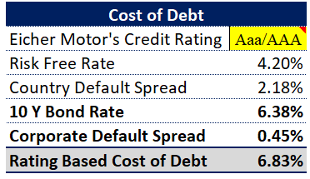

 | Conclusion - Interest Exp

We will take Cost of debt based on our calculation done in Valuation of Eicher Motors

# | Total Dividend

 | Particulars | FY2016 | FY2017 | FY2018 | FY2019 | FY2020 | FY2021 | FY2022 | FY2023 | FY2024 | FY2025 |  | Median | Average
 | Total Dividend % | 20% | 16% | 15% | 15% | 19% | 34% | 34% | 35% | 35% | 41%
 | Total Net profit | 1338 | 1713 | 2180 | 2220 | 1828 | 1346 | 1677 | 2914 | 4001 | 18871
 | Total Dividend | 268 | 274 | 327 | 333 | 347 | 458 | 570 | 1020 | 1400 | 7737

 | Dividend Payout Ratio | 20.0% | 16.0% | 15.0% | 15.0% | 19.0% | 34.0% | 34.0% | 35.0% | 35.0% | 41.0% |  | 27.0% | 26.4%

 | Retained Earnings | 1070 | 1439 | 1853 | 1887 | 1481 | 888 | 1107 | 1894 | 2601 | 11134

 | Conclusion - Interest Exp
We have assumed that Eicher will initially have 30% dividend & will gradually increase dividend payout by 10%. This is because company will approach maturity.

# | Other Current Liabilities ( Excl Trade Payable & ST Borrowings)

 | Particulars | FY2016 | FY2017 | FY2018 | FY2019 | FY2020 | FY2021 | FY2022 | FY2023 | FY2024
 | Short Term Provisions | -34 | -8 | 104 | 280 | 225 | 440 | 323 | 259 | 129
 | Provision for Tax | -60 | -50 | 57 | 222 | 151 | 350 | 202 | 104 | 29
 | Other Provisions | -34 | -45 | -4 | 139 | 135 | 309 | 153 | 36 | -83
 | Other Current Liabilities | 373 | 484 | 736 | 559 | 764 | 956 | 785 | 794 | 902
 | Bank Overdraft / Short term credit | -54 | -85 | -51 | 81 | 61 | 219 | 31 | -119 | -183
 | Advances received from customers | 182 | 204 | 370 | 252 | 472 | 584 | 349 | 187 | 80
 | Interest Accrued But Not Due | -60 | -87 | -50 | 82 | 64 | 221 | 31 | -119 | -183
 | Other Liabilities | 110 | 233 | -216 | -1002 | -1053 | -2249 | -865 | 202 | 703
 | Total OCL | 422 | 648 | 946 | 613 | 821 | 828 | 1009 | 1342 | 1394
 | YoY % Growth |  | 53% | 46% | -35% | 34% | 1% | 22% | 33% | 4%

 | Total Assets | 5833 | 7009 | 9522 | 11387 | 12450 | 14559 | 16140 | 19198 | 23115

 | Total OCL/Total Assets | 7.2% | 9.2% | 9.9% | 5.4% | 6.6% | 5.7% | 6.2% | 7.0% | 6.0% |  | 6.6% | 7.0%

# | Cash Analysis
 |  |  |  |  |  |  |  |  | 13.5%
 | Particulars | FY2016 | FY2017 | FY2018 | FY2019 | FY2020 | FY2021 | FY2022 | FY2023 | FY2024 | FY2025 | FY2026 | FY2027 | FY2028 | FY2029 | FY2030
 | Cash & Cash Equivalent | 49 | 25 | 1212 | 2965 | 2951 | 5830 | 2722 | 766 | 146 | 8086 | 8545 | 7827 | 8481 | 9609 | 11396
 | Revenue | 6173 | 7033 | 8965 | 9797 | 9154 | 8720 | 10298 | 14442 | 16536 | 18871 | 21702 | 25391 | 28776 | 31558 | 33451
 | Cash % Revenue | 0.8% | 0.4% | 13.5% | 30.3% | 32.2% | 66.9% | 26.4% | 5.3% | 0.9% | 42.8% | 39.4% | 30.8% | 29.5% | 30.4% | 34.1%
 | Median | 13.5%
 | Total Assets | 5833 | 7009 | 9522 | 11387 | 12450 | 14559 | 16140 | 19198 | 23115 | 28355 | 31689 | 35644 | 39752 | 43740 | 47369
 | Cash % TA | 0.8% | 0.4% | 12.7% | 26.0% | 23.7% | 40.0% | 16.9% | 4.0% | 0.6% | 28.5% | 27.0% | 22.0% | 21.3% | 22.0% | 24.1%

 | Operating Cash % Revenue | 0.8% | 0.4% | 13.5% | 30.3% | 32.2% | 66.9% | 26.4% | 5.3% | 0.9% | 13.5% | 13.5% | 13.5% | 13.5% | 13.5% | 13.5%
 | Operating Cash | 49 | 25 | 1212 | 2965 | 2951 | 5830 | 2722 | 766 | 146 | 2551 | 2934 | 3433 | 3890 | 4266 | 4522
 | Excess Cash | 0 | 0 | 0 | 0 | 0 | 0 | 0 | 0 | 0 | 5535 | 5611 | 4394 | 4591 | 5342 | 6874

Growth Drivers
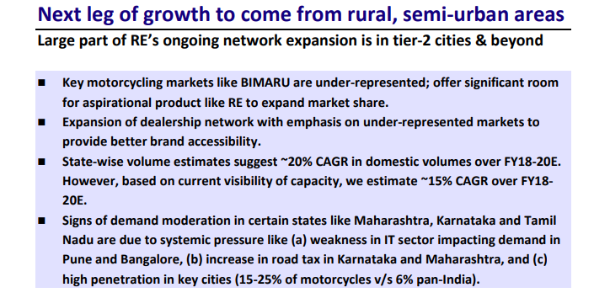
# | High Rural Consumption

 | Concall May 2025: | https://cdn-media.screener.in/concalls/77fb479f-d1a5-4363-80e1-4372c970cf6e.pdf

 | Business Standards | Source: | https://www.business-standard.com/industry/auto/rural-demand-for-two-wheelers-reviving-in-the-first-half-of-2024-fada-124072100307_1.html
 | According to the Federation of Automobile Dealers Associations, rural contribution to two-wheeler sales surged by 57-60 per cent in the April-June quarter of 2024-25, indicating a rising demand in these regions.
 | “The formation of a new coalition government is expected to lead to increased focus on rural development.
 | This could result in more government capital expenditure and schemes aimed at boosting rural incomes and disposable spending power.
 | Improved rural economic conditions would directly benefit demand for entry-level two-wheelers and scooters, which hold a major market share in rural India,”

# | Increasing Young population

 | Concall May 2025 | Source: | https://cdn-media.screener.in/concalls/77fb479f-d1a5-4363-80e1-4372c970cf6e.pdf
 | Over the period, we have added products which have actually brought the average age of Royal Enfield customers lower.
 | Hunter, when we launched, it actually brought in at about 24-26 years as the average age…
 | That is where the growth is happening and our first time buyers have also increased almost close to 19%, all those young guys who are looking at.
 | around 30 plus percentage of the consumers are below 25 years as of now overall aggregated level, but there is product level we have to see and another about 60%-65% will be about below 35 years of age.

 | Our World in Data | Source: | https://ourworldindata.org/grapher/population-by-age-group-with-projections
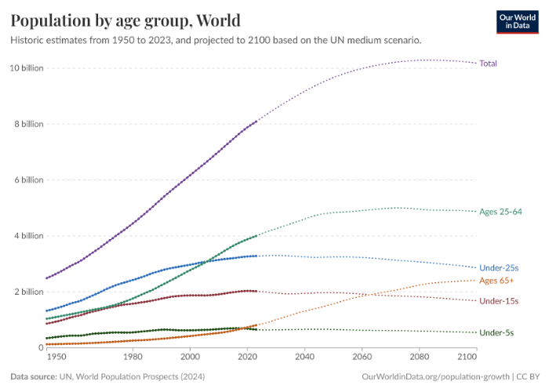
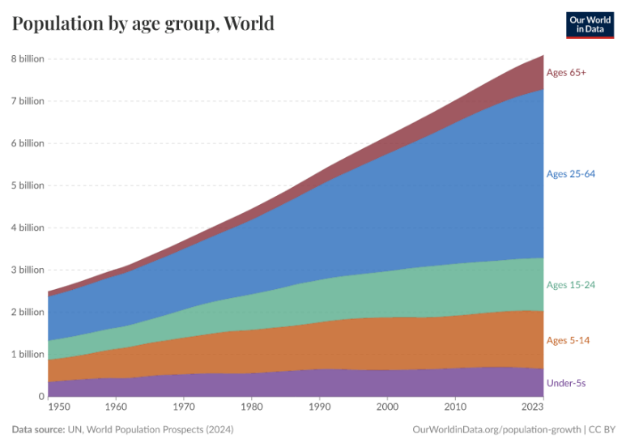
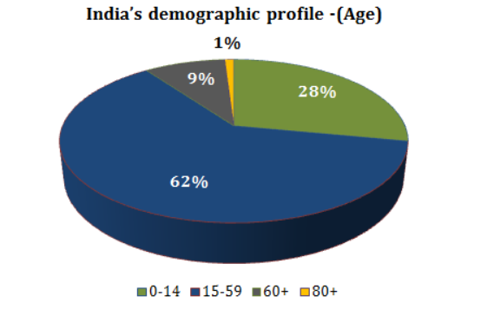

# | Growing Urbanization

 | Our World in Data | Source: | https://www.researchgate.net/figure/Changing-share-of-Urban-and-Rural-populations-in-India-1950-to-2050_fig1_305911108
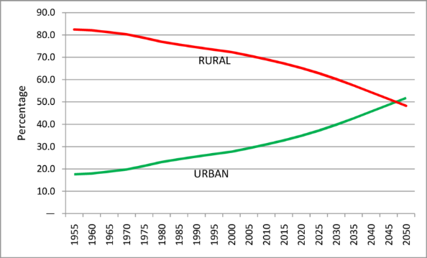

 | NUDM | Source: | https://www.nudm.mohua.gov.in/why-nudm
 | Urban population share climbed from ~18% in 1960 to 34.9% by 2020, reaching 36.4% in 2023 and 36.9% in 2024

# | Increasing Rural Consumption

 | Concall May 2025 | Source: | https://cdn-media.screener.in/concalls/77fb479f-d1a5-4363-80e1-4372c970cf6e.pdf

 | Sharescart | Source: | https://www.sharescart.com/article/equity-research-eicher-motors
 | Good monsoons and rural income gains are seen as catalysts for both CV demand (transport vehicles) and premium bikes, reflecting Eicher’s dual-segment strength

 | Reuters | Source: | https://www.reuters.com/world/india/indias-eicher-motors-beats-fourth-quarter-profit-view-2025-05-14
 | In Q4 FY25, Royal Enfield beat profit estimates due to robust demand for higher-capacity models—a trend linked to rising rural consumer power

# | Increasing Disposable Income

 | Sana Securities | Source: | https://sanasecurities.com/eicher-motors-stock-analysis/
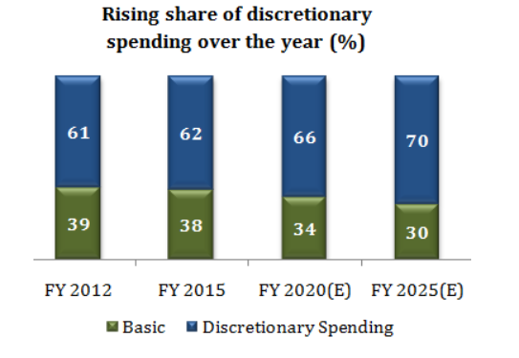

 | Archive Market Research | Source: | https://www.archivemarketresearch.com/news/article/rising-disposable-income-impact-on-spending-economic-growth-18878
 | Rising disposable income is a powerful driver of consumer spending and economic growth.
 | As disposable income continues to increase, it's essential for individuals, businesses, and governments to understand its impact and adopt strategies to maximize its benefits.

# | Increasing Consumer Spending

 | Macro Trends | Source: | https://www.macrotrends.net/global-metrics/countries/ind/india/consumer-spending
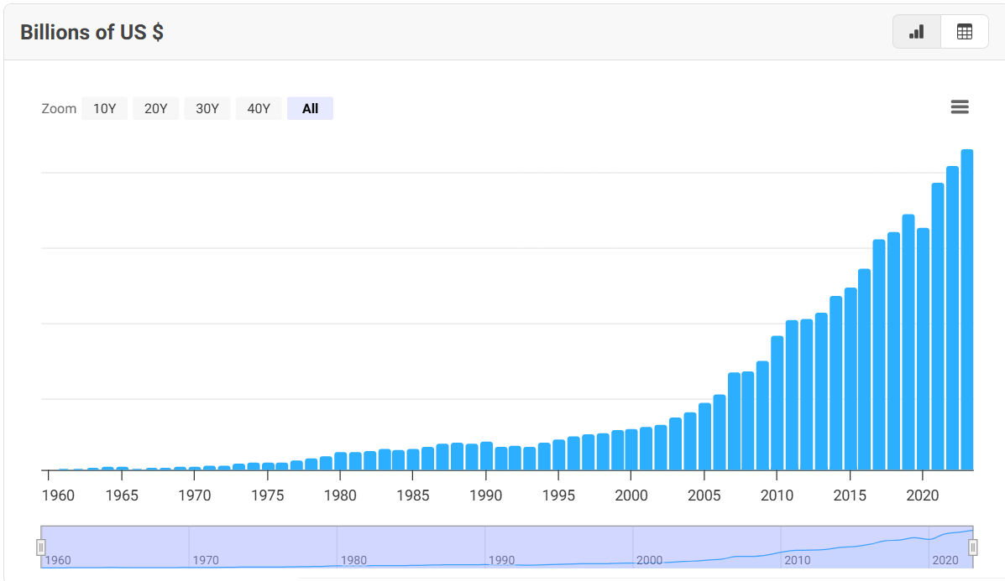

India's Consumer Spending

# | Brand Loyalty & Heritage

 | Threat of New Entrants is Low - Porter's 5 Forces |  |  | https://dcfmodeling.com/products/eichermotns-porters-five-forces-analysis
 | High capital investment in manufacturing, distribution, and R&D.
 | Strong brand loyalty and heritage of Royal Enfield (since 1901) create high entry barriers.
 | Regulatory compliance (BS-VI norms, safety, emissions) raises cost of entry.

 | Auto Hindustan Times | Source: | https://auto.hindustantimes.com/new-bikes/royalenfield/classic-350/user-reviews/comfort-redefined-6772d8999f16803bfb261a3b
 | Reviews:

 | “Most comfortable bike I ride till date… minimum back discomfort if going for a long solo ride… it feels like premium”

# | Product Innovation

 | Auto Hindustan Times | Source: | https://motoring-trends.com/cover-story/shifting-world-order-for-the-auto-industry | https://www.marketscreener.com/quote/stock/EICHER-MOTORS-LIMITED-6493334/news/Eicher-Motors-Press-Release-May-11-2024-46703178
 | FY25 launches: Six new motorcycles—including Guerrilla 450, Bear 650, Classic 650, Goan Classic 350, an upgraded Classic 350, and Scram 440—helped Royal Enfield reach a record 1 million+ annual sales
 | Electric Himalayan concept unveiled at EICMA 2023 and the upcoming Flying Flea city EV brand targeted for Q4 FY26
 | Real traction likely picks up in FY 2027 as Flying Flea gains familiarity and acceptance.
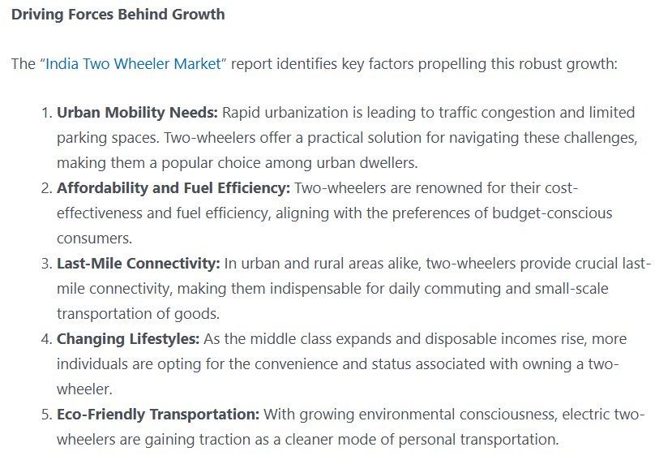
# |  |  |  |  | Source: | https://markwideresearch.com/press-release/india-two-wheeler-market-riding-towards-remarkable-growth-with-a-projected-cagr-of-8-7-from-2023-to-2030

Option value
Valuing Options or Warrants |  |  |  |  |  | tranch | Grant date | no of options granted | exercise price | maturity | expected volatility | expected dividends
Enter the current stock price = |  |  | 5678.50 |  |  | (viii) | 11-Aug-14 | 160000 | 847.75 | 4 | 29.40% | 0.65%
Enter the strike price on the option = |  |  | 1784.25 |  |  | (x) | 12-Jan-15 | 203000 | 1473.9 | 4 | 29.40% | 0.65%
Enter the expiration of the option = |  |  | 3.60 |  |  | (xii) | 8-May-15 | 530000 | 1480.7 | 4 | 29.40% | 0.65%
Enter the standard deviation in stock prices = |  |  | 29.40% | (volatility) |  | (xiii) | 21-Jul-15 | 65900 | 2124.8 | 4 | 29.40% | 0.65%
Enter the annualized dividend yield on stock = |  |  | 0.70% |  |  | (xiv) | 6-Nov-15 | 78000 | 1767.8 | 4 | 29.40% | 0.65%
Enter the Risk Free rate = |  |  | 4.26% |  |  | (xv) | 5-Feb-16 | 42000 | 1689.4 | 4 | 29.40% | 0.65%
Enter the number of options outstanding = |  |  | 0.03 | 275,730 | 10,000,000 | (xvi) | 27-Apr-16 | 24000 | 2014.8 | 4 | 29.40% | 0.65%
Enter the number of shares outstanding = |  |  | 27.43 | 0.027573 |  | (xvii) | 28-Jul-16 | 21000 | 2034 | 4 | 29.40% | 0.65%
 |  |  |  |  |  | (xviii) | 28-Oct-16 | 30000 | 2449.2 | 4 | 29.40% | 0.65%
Do not input any numbers below this line |  |  |  |  |  | (xxi) | 9-Aug-17 | 13500 | 3212.1 | 4 | 29.40% | 0.65%
VALUING OPTIONS WHEN THERE IS DILUTION |  |  |  |  |  | (xxii) | 14-Nov-17 | 15000 | 3058.5 | 4 | 29.40% | 0.65%
Stock Price= |  | 5678.50 | # Warrants issued= |  | 0.03 | (xxx) | 1-Aug-19 | 36000 | 1634.9 | 4 | 29.40% | 0.65%
Strike Price= |  | 1784.25 | # Shares outstanding= |  | 27.43 | (xxxi) | 6-May-20 | 82500 | 1381.1 | 4 | 29.40% | 0.65%
Adjusted S = |  | 5676.82 | T.Bond rate= |  | 4.26% | (xxxii) | 6-May-20 | 427500 | 1381.1 | 3 | 29.40% | 0.65%
Adjusted K = |  | 1784.25 | Variance= |  | 0.0864 | (xxxiv) | 10-Feb-21 | 10000 | 2948 | 3 | 29.40% | 0.65%
Expiration (in years) = |  | 3.60 | Annualized dividend yield= |  | 0.70% | (xxxv) | 27-May-21 | 328500 | 2633.5 | 3 | 29.40% | 0.65%
 |  |  | Div. Adj. interest rate= |  | 3.56% | (xxxvi) | 27-May-21 | 200000 | 2633.5 | 3.5 | 29.40% | 0.65%
 |  |  |  |  |  | (xxxvii) | 3-Nov-21 | 50000 | 2543 | 3 | 29.40% | 0.65%
d1 = | 2.58 |  |  |  |  |  |  | Weighted Avg | 1784.25 | 3.60 | 29.40% | 0.7%
N (d1) = | 1.00

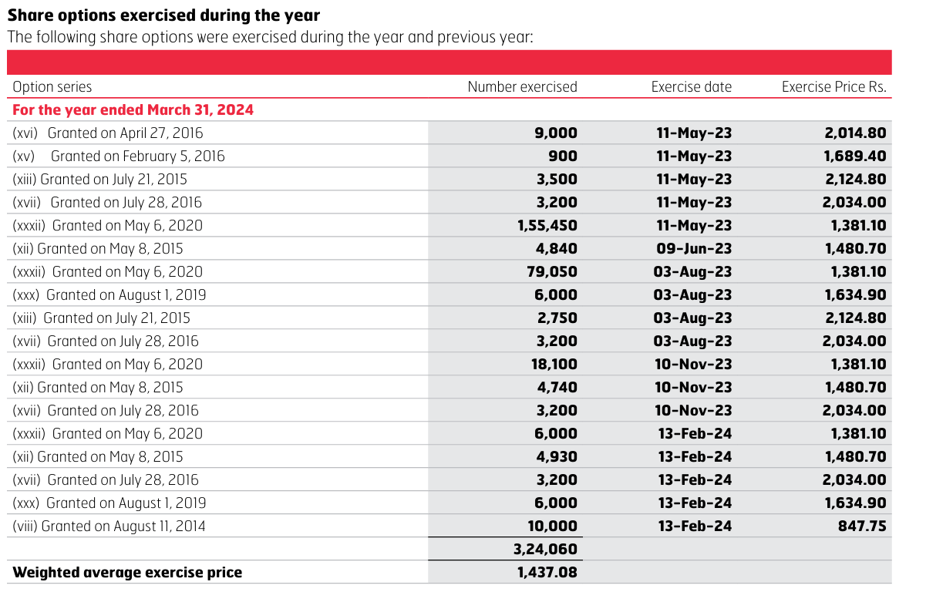
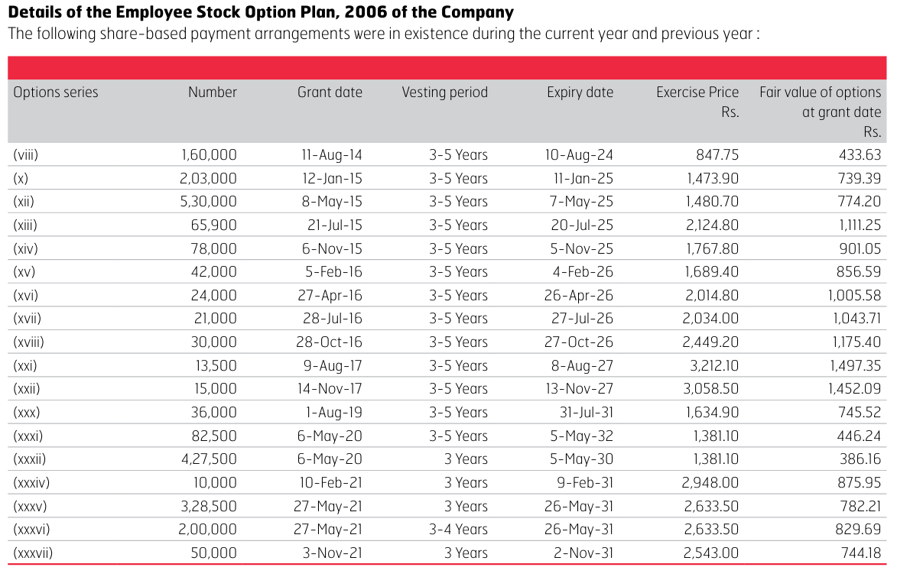
d2 = | 2.03 |  |  |  |  |  |  |  |  |  |  | Options series | Number | Grant date | Vesting period | Expiry date | Exercise Price Rs. | Fair value of options at grant date Rs.
N (d2) = | 0.98 |  |  |  |  |  |  |  |  |  |  | (viii) | 160000 | 11-Aug-14 | 3-5 Years | 10-Aug-24 | 847.75 | 433.63
 |  |  |  |  |  |  |  |  |  |  |  | (x) | 203000 | 12-Jan-15 | 3-5 Years | 11-Jan-25 | 1473.9 | 739.39
Value per option = |  | 4010.62 |  |  |  |  |  |  |  |  |  | (xii) | 530000 | 8-May-15 | 3-5 Years | 7-May-25 | 1480.7 | 774.2
Value of all options outstanding = |  |  | 111 |  |  |  |  |  |  |  |  | (xiii) | 65900 | 21-Jul-15 | 3-5 Years | 20-Jul-25 | 2124.8 | 1111.25
 |  |  |  |  |  |  |  |  |  |  |  | (xiv) | 78000 | 6-Nov-15 | 3-5 Years | 5-Nov-25 | 1767.8 | 901.05
 |  |  |  |  |  |  |  |  |  |  |  | (xv) | 42000 | 5-Feb-16 | 3-5 Years | 4-Feb-26 | 1689.4 | 856.59
 |  |  |  |  |  |  |  |  |  |  |  | (xvi) | 24000 | 27-Apr-16 | 3-5 Years | 26-Apr-26 | 2014.8 | 1005.58
 |  |  |  |  |  |  |  |  |  |  |  | (xvii) | 21000 | 28-Jul-16 | 3-5 Years | 27-Jul-26 | 2034 | 1043.71
 |  |  |  |  |  |  |  |  |  |  |  | (xviii) | 30000 | 28-Oct-16 | 3-5 Years | 27-Oct-26 | 2449.2 | 1175.4
 |  |  |  |  |  |  |  |  |  |  |  | (xxi) | 13500 | 9-Aug-17 | 3-5 Years | 8-Aug-27 | 3212.1 | 1497.35
 |  |  |  |  |  |  |  |  |  |  |  | (xxii) | 15000 | 14-Nov-17 | 3-5 Years | 13-Nov-27 | 3058.5 | 1452.09
 |  |  |  |  |  |  |  |  |  |  |  | (xxx) | 36000 | 1-Aug-19 | 3-5 Years | 31-Jul-31 | 1634.9 | 745.52
 |  |  |  |  |  |  |  |  |  |  |  | (xxxi) | 82500 | 6-May-20 | 3-5 Years | 5-May-32 | 1381.1 | 446.24
 |  |  |  |  |  |  |  |  |  |  |  | (xxxii) | 427500 | 6-May-20 | 3 Years | 5-May-30 | 1381.1 | 386.16
 |  |  |  |  |  |  |  |  |  |  |  | (xxxiv) | 10000 | 10-Feb-21 | 3 Years | 9-Feb-31 | 2948 | 875.95
 |  |  |  |  |  |  |  |  |  |  |  | (xxxv) | 328500 | 27-May-21 | 3 Years | 26-May-31 | 2633.5 | 782.21
 |  |  |  |  |  |  |  |  |  |  |  | (xxxvi) | 200000 | 27-May-21 | 3-4 Years | 26-May-31 | 2633.5 | 829.69
 |  |  |  |  |  |  |  |  |  |  |  | (xxxvii) | 50000 | 3-Nov-21 | 3 Years | 2-Nov-31 | 2543 | 744.18

